Clean Sheet
Variance, risk

Asset A |  | Asset A | Decimal | % | Covariances |  | Cov(A,B) | #DIV/0! |  | Find COV from COR |  | Find COR from COV
X1 |  | Mean(R) | #DIV/0! | #DIV/0! |  |  | Cov(A,C) | #DIV/0! |  | Cor(x,y) | -1 | #DIV/0!
X2 |  | Variance | #DIV/0! | #DIV/0! |  |  | Cov(B,C) | #DIV/0! |  | Risk(x) | 0.16
X3 |  | Std/Risk | #DIV/0! | #DIV/0! |  |  |  |  |  | Risk(y) | 0.28
X4 |  | GeoMean | 0 | 0.00% | Covariance Matrix |  | A | B | C | Cov(x,y) | -0.0448
X5 |  |  | #NUM! | //IGNORE | A |  | #DIV/0! | #DIV/0! | #DIV/0! |  | Value used for P Var
 |  |  |  |  | B |  | #DIV/0! | #DIV/0! | #DIV/0!
Asset B |  | Asset B | Decimal | % | C |  | #DIV/0! | #DIV/0! | #DIV/0! |  |  |  | Portfolio std
X1 |  | Mean(R) | #DIV/0! | #DIV/0! |  |  |  |  |  | Portfolio Variance |  | 0.04410 | 0.21 | 21.00% | w/ Formula 2 assets
X2 |  | Variance | #DIV/0! | #DIV/0! | Portfolio Variance |  | #VALUE! | #VALUE! |  | Portfolio Variance |  | 0.04410 | 0.21 | 21.00% | w/ Formula 3 assets
X3 |  | Std/Risk | #DIV/0! | #DIV/0! | Std Deviance |  | #VALUE! | #VALUE!
X4 |  | GeoMean | 0 | 0.00% | ExpReturn Port. |  | #DIV/0! | #DIV/0! |  |  | Weights | Std/Risk | Asset 1 | Asset 2 | Asset 3
X5 |  |  |  |  |  |  |  |  |  | Asset 1 | 1.40 | 0.15
 |  |  |  |  |  |  |  |  |  | Asset 2 | -0.40 | 0
Asset C |  | Asset C | Decimal | % |  |  |  |  |  | Asset 3 | 0.00 | 0
X1 |  | Expec(R) | #DIV/0! | #DIV/0! |  |  |  |  |  | Total = 1 | 1.00
X2 |  | Variance | #DIV/0! | #DIV/0!
X3 |  | Std/Risk | #DIV/0! | #DIV/0!
X4 |  | GeoMean | 0 | 0.00%
X5

Weights

 | Matrix 2 | #VALUE! |  |  | Start V | 50
 |  |  |  |  | End value | 56
 |  |  |  |  | Return of asset | 0.12
CAPM
Calculate the Beta
cor(i,m) | -0.1000
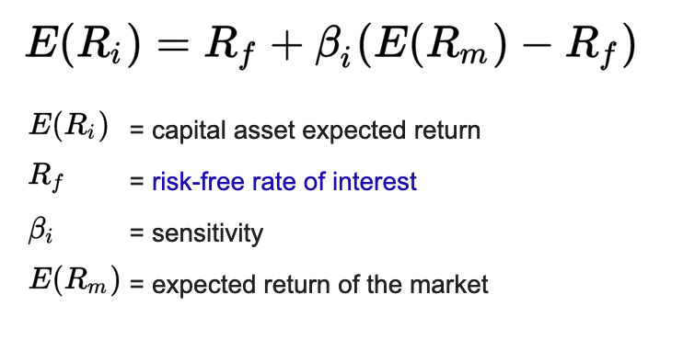
risk(i) | 0.3000 | Cov(i,m) | -0.0015 |  | Beta w/ cor | -0.6000
risk(m) | 0.0500 | var to risk | 0.04 | 0.2

Cov(i,m) | 0.0050 | Variance(m) | 0.0025 |  | Beta w/ cov | 2.0000
risk(m) | 0.0500

Calculate CAPM Er / Rate of return of Asset

Rf | 0.08 | E(Rp) | 0.129 | 12.90% | < x -> undervalued (buy) |  |  |  |  | E(rAsset)
B(i) | 0.7 |  |  |  | > x -> overvalued (sell)
E(Rm) | 0.15

Portfolio Beta | Weights | Betas |  |  | Risk Premium | 0.04
A | 0.13 | 0.126 |  |  | Beta | 0.8
B | 0.33 | 0.147 |  |  | Rf | 0.05
C | 0.20 | 0.1365 |  |  | Rm | 0.1
D | 0.33 | 0
Total | 1.00 | 0.0931

Risk Premium Calculation
E(r | 0.10 | Risk Premium | 0.0625
Rf | 0.05
Beta | 0.8
Rm | N/A
 |  |  |  |  | Discover Beta
Portfolio Beta | Weights | ER Asset |  |  | E(r | 0.23
A | 0.13 | 0.11 |  |  | Rf | 0.07
B | 0.33 | 0.04 |  |  | Rm | 0.14
C | 0.20 | 0 |  |  | Beta | 2.2957142857
D | 0.33 | 0
Total | 1.00 | 0.028 | 2.80%

Find Asset Expected return with Portfolio Expected Return
 | Weights | ER Asset
A | 0.13 | 0.126 |  |  | Discover Beta Asset
B | 0.33 | 0.147 |  |  | E(r | 0.2307
C | 0.20 | 0.1365 |  |  | Rf | 0.0700
D | 0.33 | 0.2307 |  |  | Rm | 0.1400
Total | 1.00 | 0.17 | Portfolio E r |  | Beta | 2.2957142857

